Summery
All Operation

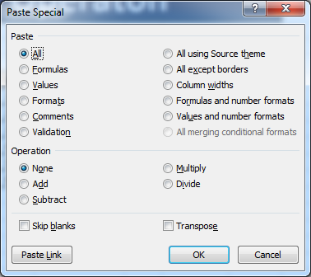

 | Sr. | Topic | Sort Key
 | 1 | Formuls Paste | Alt-E-S-F
 | 2 | Values Paste | Alt-E-S-V
 | 3 | Formates Paste | Alt-E-S-T
 | 4 | Comments Paste | Alt-E-S-C
 | 5 | Validations Paste | Alt-E-S-N
 | 6 | Add | Alt-E-S-D
 | 7 | Subtract | Alt-E-S-S
 | 8 | Multiply | Alt-E-S-M
 | 9 | Divide | Alt-E-S-I
 | 10 | Skip Blanks | Alt-E-S-B
 | 11 | Transpose | Alt-E-S-E

